Form
Property
Cut Off Date
Department
Period |  |  |  |  |  |  | To
Reference Date |  |  |  |  |  |  | To
Due Date |  |  |  |  |  |  | To
Supplier
Reference No |  |  |  |  |  |  | To
Currency
Total Amount |  |  | between |  |  |  |  |  | and
Remaining Amt |  |  | between |  |  |  |  |  | and
Days Late |  |  | between |  |  |  |  |  | and

 | Property
 | Invoice Period
 | Building |  |  |  |  |  |  | To

 |  |  |  | Utility Type

 |  |  |  | Utility Type :

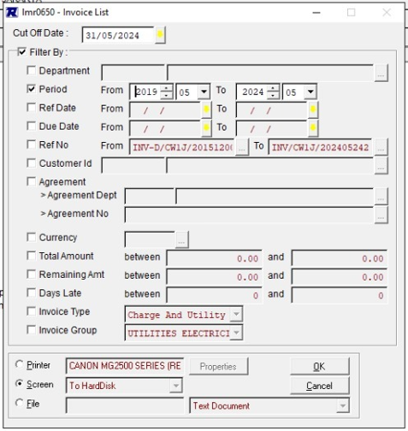

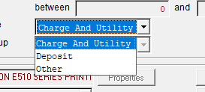

 |  | Property
 |  | Report Type

 |  |  | Output to |  | : | o | Screen
 |  |  |  |  |  | o | Printer |  |  | V

